Q1 Price levels
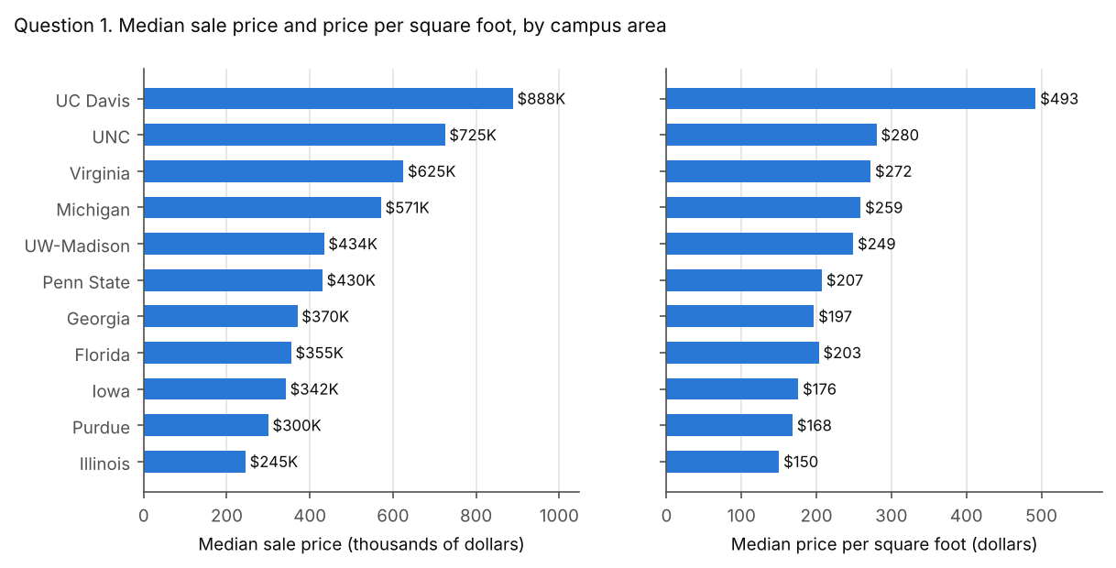
Question 1. Price levels
For each campus area, what are the median sale price and the median price per square foot? Which areas are highest and lowest on each measure? Does the ranking change between the two measures, and why might it?

Figures
Price levels by campus area
Campus area | Valid sales | Median sale price | Rank | Sales with price per sq ft | Median price per sq ft | Rank
University of California, Davis | 942 | $888,500 | 1 | 942 | $492.58 | 1
The University of North Carolina at Chapel Hill | 3,018 | $725,000 | 2 | 3,007 | $280.25 | 2
University of Virginia | 2,853 | $625,000 | 3 | 2,851 | $272.35 | 3
University of Michigan | 3,021 | $571,000 | 4 | 3,011 | $259.07 | 4
University of Wisconsin-Madison | 5,707 | $434,020 | 5 | 5,706 | $249.16 | 5
The Pennsylvania State University | 1,350 | $430,000 | 6 | 1,345 | $207.42 | 6
University of Georgia | 2,815 | $370,000 | 7 | 2,363 | $196.82 | 8
University of Florida | 5,630 | $355,000 | 8 | 5,624 | $203.24 | 7
The University of Iowa | 1,909 | $342,000 | 9 | 1,907 | $175.91 | 9
Purdue University | 4,616 | $299,900 | 10 | 4,615 | $168.24 | 10
University of Illinois Urbana-Champaign | 3,664 | $245,000 | 11 | 3,650 | $150.30 | 11

Model answer
UC Davis is highest on both measures, with a median sale price of $888,500 and $492.58 per square foot. Illinois is lowest on both, at $245,000 and $150.30.
The ranking barely changes. Only Georgia and Florida trade places, at 7 and 8. Georgia homes sell for more ($370,000 against $355,000), but they are larger (median 1,902 sq ft against 1,756), so they cost less per square foot. Price per square foot adjusts for size; median price does not.

Common wrong answers
Mean instead of median. Means are pulled up by a few very expensive sales, up to $81,510,000.
Campus area | correct: median of valid sales | mean instead of median
Purdue University | $299,900 | $328,005
The Pennsylvania State University | $430,000 | $473,855
The University of Iowa | $342,000 | $389,734
The University of North Carolina at Chapel Hill | $725,000 | $825,203
University of California, Davis | $888,500 | $976,367
University of Florida | $355,000 | $405,906
University of Georgia | $370,000 | $491,409
University of Illinois Urbana-Champaign | $245,000 | $277,416
University of Michigan | $571,000 | $657,369
University of Virginia | $625,000 | $797,754
University of Wisconsin-Madison | $434,020 | $503,439

Ratio of medians, mean of ratios, or blank areas divided. Price per square foot is a median of per-sale values. Dividing the median price by the median area, averaging, or letting a blank or 0 sq ft area divide (JavaScript returns Infinity) each gives a different figure.
Campus area | correct: median of per-sale values | median price / median living area | mean of per-sale values | no area floor, blank or 0 sq ft divided as 0
Purdue University | $168.24 | $164.42 | $166.68 | $168.25
The Pennsylvania State University | $207.42 | $202.45 | $217.25 | $208.15
The University of Iowa | $175.91 | $168.14 | $182.41 | $175.93
The University of North Carolina at Chapel Hill | $280.25 | $277.67 | $299.76 | $280.43
University of California, Davis | $492.58 | $482.75 | $500.31 | $492.58
University of Florida | $203.24 | $202.16 | $210.27 | $203.32
University of Georgia | $196.82 | $198.76 | $220.92 | $209.30
University of Illinois Urbana-Champaign | $150.30 | $147.59 | $151.44 | $150.55
University of Michigan | $259.07 | $256.98 | $281.39 | $259.22
University of Virginia | $272.35 | $260.53 | $300.23 | $272.37
University of Wisconsin-Madison | $249.16 | $243.28 | $267.47 | $249.16

Tolerance
Median sale price: within $1,000 of the key. Rounding to the nearest thousand is fine.
Median price per sq ft: within $1.00.
Ranking: the site must name UC Davis highest and Illinois lowest on both measures, and notice that Georgia and Florida swap. Any reason based on home size earns full credit.

Q2 Speed
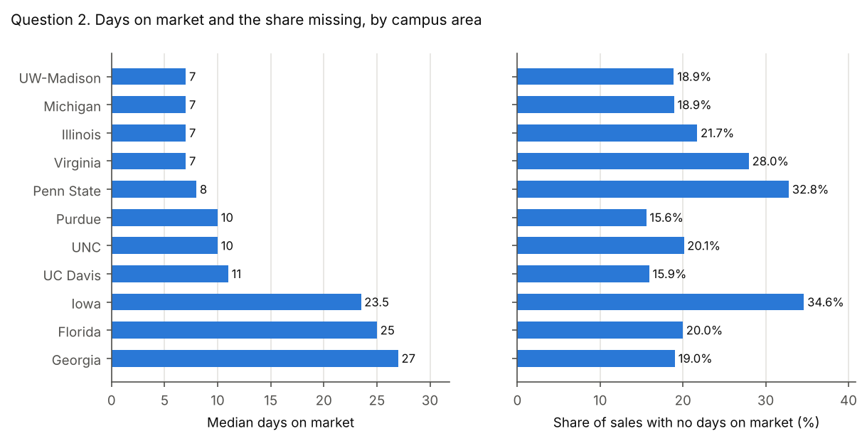
Question 2. Speed
For each campus area, what is the median days on market? What share of sales has no days on market because a date is missing? Which areas sell fastest, and how could the missing share affect the comparison?

Figures
Days on market by campus area
Campus area | Sales | Sales with days on market | Median days on market | Share with no days on market
University of Wisconsin-Madison | 5,707 | 4,628 | 7 | 18.9%
University of Michigan | 3,022 | 2,450 | 7 | 18.9%
University of Illinois Urbana-Champaign | 3,664 | 2,868 | 7 | 21.7%
University of Virginia | 2,854 | 2,056 | 7 | 28.0%
The Pennsylvania State University | 1,351 | 908 | 8 | 32.8%
Purdue University | 4,616 | 3,897 | 10 | 15.6%
The University of North Carolina at Chapel Hill | 3,018 | 2,411 | 10 | 20.1%
University of California, Davis | 942 | 792 | 11 | 15.9%
The University of Iowa | 1,909 | 1,248 | 23.5 | 34.6%
University of Florida | 5,630 | 4,505 | 25 | 20.0%
University of Georgia | 2,816 | 2,280 | 27 | 19.0%

Model answer
Four areas tie as the fastest, at a median of 7 days: Illinois, Michigan, UW-Madison and Virginia. The slowest are Georgia (27), Florida (25) and Iowa (23.5).
Between 15.6% (Purdue) and 34.6% (Iowa) of sales have no days on market. Those sales are mostly off-market and new construction sales, so they are not a random sample. The medians describe only homes that were listed, and areas with a large missing share, such as Iowa and Penn State, are the least comparable.

Common wrong answers
Measured to sale_date, blanks as zero, or a mean. Days on market ends at contract_date. Using sale_date adds the time to close. Treating a blank date as 0 makes unlisted homes look instant. A mean is pulled up by homes that took over a year.
Campus area | correct: list_date to contract_date | measured to sale_date | blanks treated as zero | mean instead of median
Purdue University | 10 | 45 | 5 | 27.8
The Pennsylvania State University | 8 | 53 | 4 | 29.3
The University of Iowa | 23.5 | 62 | 3 | 41.6
The University of North Carolina at Chapel Hill | 10 | 50 | 6 | 34.5
University of California, Davis | 11 | 38 | 8 | 29.5
University of Florida | 25 | 67 | 13 | 52.8
University of Georgia | 27 | 56 | 16 | 52.1
University of Illinois Urbana-Champaign | 7 | 52 | 5 | 27.7
University of Michigan | 7 | 39 | 5 | 25.4
University of Virginia | 7 | 57 | 5 | 29.4
University of Wisconsin-Madison | 7 | 44 | 6 | 21.6

Missing share counts only list_date. A sale needs both dates. Counting only a missing list_date misses sales with a list date but no contract date.
Campus area | correct: missing either date | counting only a missing list_date
Purdue University | 15.6% | 6.2%
The Pennsylvania State University | 32.8% | 31.8%
The University of Iowa | 34.6% | 9.4%
The University of North Carolina at Chapel Hill | 20.1% | 19.6%
University of California, Davis | 15.9% | 15.4%
University of Florida | 20.0% | 18.6%
University of Georgia | 19.0% | 16.2%
University of Illinois Urbana-Champaign | 21.7% | 20.9%
University of Michigan | 18.9% | 17.1%
University of Virginia | 28.0% | 27.4%
University of Wisconsin-Madison | 18.9% | 18.6%

Tolerance
Median days on market: within 0.5 days. For Iowa, 23.5 and 24 are both correct.
Share with no days on market: within 0.5 percentage points.
The comment on the missing share should say the missing sales are not random, or that the comparison covers listed homes only.

Q3 Distance
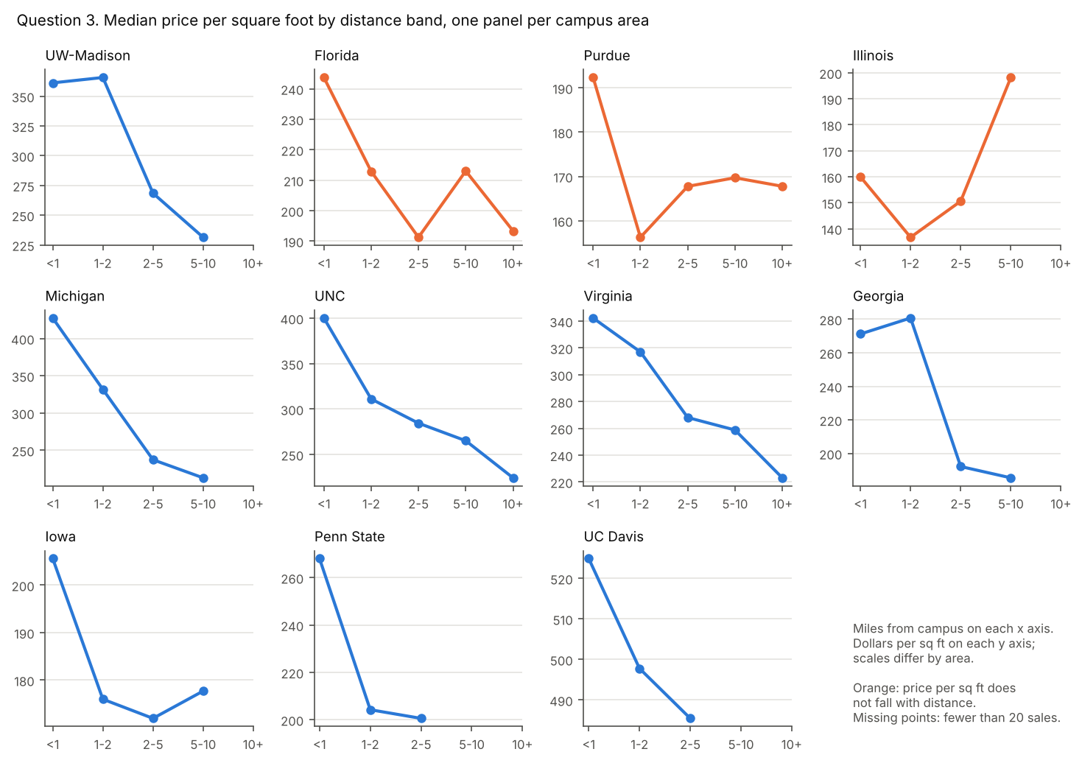
Question 3. Distance
For each campus area, what is the median price per square foot in each distance band? In most areas, does price per square foot fall as the distance from campus grows? Name any area where it does not.

Figures
Median price per sq ft by distance band
Campus area | Under 1 mile | 1 to under 2 miles | 2 to under 5 miles | 5 to under 10 miles | 10 miles or more
University of Wisconsin-Madison | $361.21 | $365.72 | $268.46 | $231.40 | fewer than 20 sales
University of Florida | $243.72 | $212.90 | $191.27 | $213.03 | $193.37
Purdue University | $192.34 | $156.25 | $167.76 | $169.70 | $167.77
University of Illinois Urbana-Champaign | $159.98 | $136.70 | $150.59 | $198.20 | no sales
University of Michigan | $427.52 | $331.77 | $237.26 | $212.99 | fewer than 20 sales
The University of North Carolina at Chapel Hill | $400.20 | $311.09 | $284.47 | $265.15 | $224.32
University of Virginia | $342.35 | $317.04 | $268.06 | $258.75 | $223.04
University of Georgia | $271.19 | $280.68 | $192.20 | $185.46 | no sales
The University of Iowa | $205.59 | $175.98 | $171.94 | $177.70 | no sales
The Pennsylvania State University | $268.06 | $204.25 | $200.60 | no sales | no sales
University of California, Davis | $524.89 | $497.78 | $485.47 | fewer than 20 sales | no sales

Sales in each cell
Campus area | Under 1 mile | 1 to under 2 miles | 2 to under 5 miles | 5 to under 10 miles | 10 miles or more
University of Wisconsin-Madison | 85 | 286 | 2,589 | 2,744 | 2
University of Florida | 136 | 471 | 2,711 | 2,273 | 33
Purdue University | 102 | 339 | 2,715 | 1,393 | 66
University of Illinois Urbana-Champaign | 132 | 751 | 2,554 | 213 | 0
University of Michigan | 179 | 791 | 1,624 | 414 | 3
The University of North Carolina at Chapel Hill | 128 | 420 | 1,413 | 959 | 87
University of Virginia | 154 | 466 | 1,262 | 912 | 57
University of Georgia | 84 | 354 | 1,350 | 575 | 0
The University of Iowa | 171 | 635 | 1,072 | 29 | 0
The Pennsylvania State University | 218 | 363 | 764 | 0 | 0
University of California, Davis | 76 | 358 | 500 | 8 | 0

Pattern by area
Campus area | Pattern | Highest band | Largest rise between neighboring bands
University of Wisconsin-Madison | falls overall | 1 to under 2 miles | 1.2%
University of Florida | does not fall | Under 1 mile | 11.4%
Purdue University | does not fall | Under 1 mile | 7.4%
University of Illinois Urbana-Champaign | does not fall | 5 to under 10 miles | 31.6%
University of Michigan | falls at every step | Under 1 mile | 0.0%
The University of North Carolina at Chapel Hill | falls at every step | Under 1 mile | 0.0%
University of Virginia | falls at every step | Under 1 mile | 0.0%
University of Georgia | falls overall | 1 to under 2 miles | 3.5%
The University of Iowa | falls overall | Under 1 mile | 3.3%
The Pennsylvania State University | falls at every step | Under 1 mile | 0.0%
University of California, Davis | falls at every step | Under 1 mile | 0.0%
A rise of 0.0% means price per square foot never rises from one band to the next.

Model answer
Yes, in most areas. Price per square foot is highest within 1 mile of campus in 8 of 11 areas, and it falls with distance in 8: at every step in Michigan, Penn State, UC Davis, UNC and Virginia, and overall, with no rise between neighboring bands above 5.0%, in Georgia, Iowa and UW-Madison.
It does not fall in Florida, Illinois and Purdue. Illinois is the clearest exception: its highest band is 5 to under 10 miles ($198.20, against $159.98 under 1 mile).
Nine of the 55 cells have fewer than 20 sales, all in the outer bands, and show "fewer than 20 sales" or no sales.

Common wrong answers
All areas pooled into one line. Pooling mixes areas with different price levels. The outer bands are dominated by a few areas, so the pooled line rises again even though most areas fall.
All areas pooled
Band | Sales | Median price per sq ft
Under 1 mile | 1,465 | $281.40
1 to under 2 miles | 5,234 | $238.33
2 to under 5 miles | 18,554 | $201.56
5 to under 10 miles | 9,520 | $217.65
10 miles or more | 248 | $207.65

Small cells shown. These medians rest on fewer than 20 sales and must be replaced by "fewer than 20 sales".
Cells that must not show a figure
Campus area | Band | Sales | Median shown in error
University of California, Davis | 5 to under 10 miles | 8 | $610.78
University of Michigan | 10 miles or more | 3 | $143.38
University of Wisconsin-Madison | 10 miles or more | 2 | $206.18

Tolerance
Each reportable cell: within $1.00.
Every cell with 1 to 19 sales shows "fewer than 20 sales". A cell with no sales may show that, a dash or "no sales".
The answer says yes for most areas and names Illinois. Naming Florida and Purdue as well is correct. Naming an area that falls at every step (Michigan, Penn State, UC Davis, UNC and Virginia) is wrong.

Q4 Timing
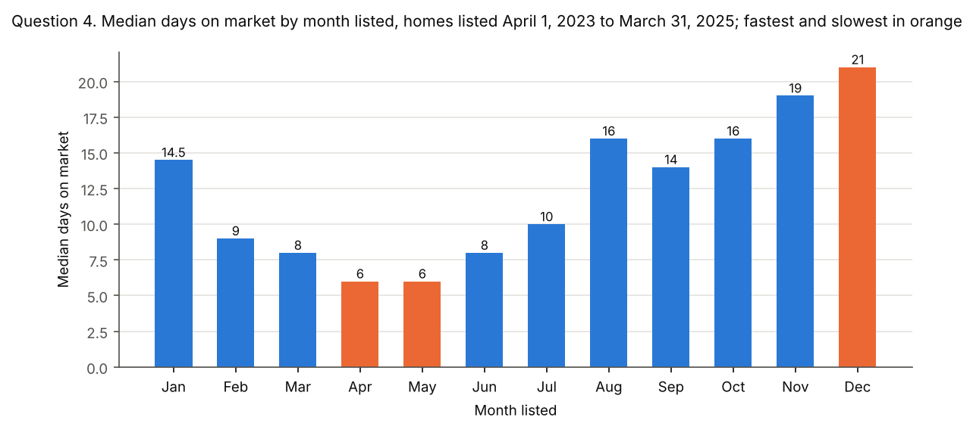
Question 4. Timing
Across all areas, what is the median days on market for each calendar month in which homes were listed? Use only homes listed from April 1, 2023 through March 31, 2025, so that each calendar month covers exactly two years. Group them by the month of list_date. Which months are fastest, and which are slowest?

Figures
Days on market by month listed, homes listed April 1, 2023 to March 31, 2025
Month listed | Listings with days on market | Median days on market
January | 1,196 | 14.5
February | 1,511 | 9
March | 1,990 | 8
April | 2,041 | 6
May | 2,131 | 6
June | 1,992 | 8
July | 1,584 | 10
August | 1,489 | 16
September | 1,494 | 14
October | 1,442 | 16
November | 1,035 | 19
December | 653 | 21

Model answer
Homes listed in April and May go under contract fastest, at a median of 6 days. December listings are slowest (21 days), followed by November (19).
Spring listings sell fastest and late-year listings slowest, the usual pattern of a spring buying season.

Common wrong answers
No window, wrong month or wrong end date. Listings outside the window are incomplete. Grouping by the month of sale_date describes when homes closed, not when they were listed. Measuring to sale_date adds the time to close. Treating blank dates as 0 pulls every month down.
Median days on market by month under each mistake
Month | correct: listed April 2023 to March 2025 | all years combined (no window) | month of sale_date instead of list_date | measured to sale_date | blanks treated as zero
January | 14.5 | 12 | 31 | 51 | 12.5
February | 9 | 8 | 15.5 | 48 | 8
March | 8 | 7 | 9.5 | 50 | 7
April | 6 | 7 | 7 | 46 | 6
May | 6 | 7 | 7 | 44 | 6
June | 8 | 10 | 6 | 46 | 8
July | 10 | 13 | 7 | 46 | 8
August | 16 | 18 | 8 | 55 | 14
September | 14 | 17 | 12 | 53 | 14
October | 16 | 17 | 14 | 52 | 14
November | 19 | 20 | 14 | 57 | 18
December | 21 | 25 | 20 | 62 | 20

Tolerance
Each month: within 0.5 days.
Fastest: April and May. Slowest: December. Naming November as the second slowest is good but not required.

Q5 Assessment
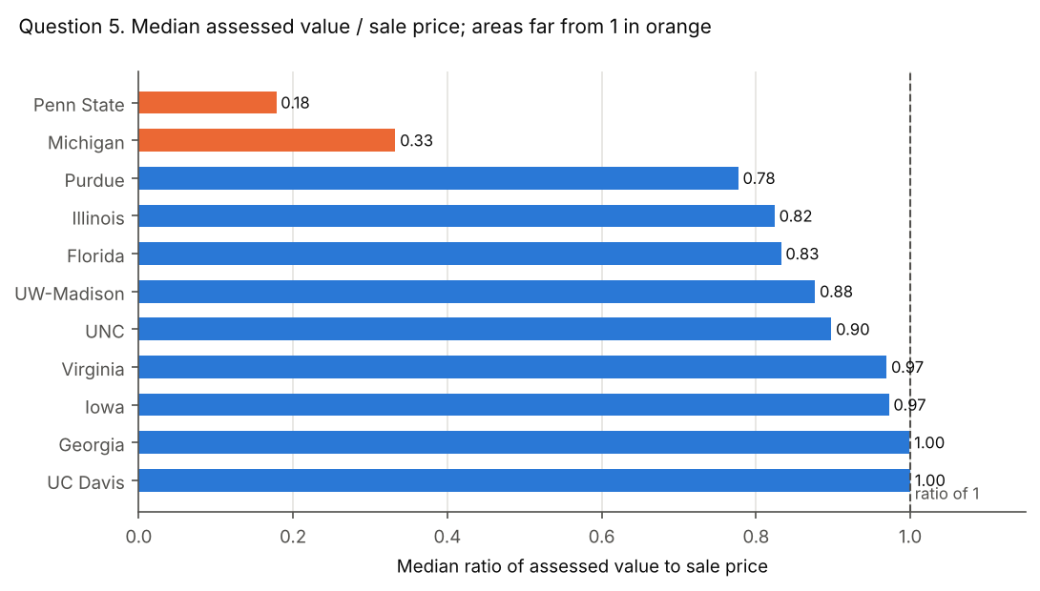
Question 5. Assessment
For each campus area, what is the median ratio of tax_assessed_value to sale_price, for valid sales with an assessed value above 0? Which areas are far from 1, and what could explain the gap?

Figures
Median assessed value / sale price
Campus area | State | Sales used | Median ratio
The Pennsylvania State University | PA | 1,339 | 0.18
University of Michigan | MI | 2,996 | 0.33
Purdue University | IN | 4,360 | 0.78
University of Illinois Urbana-Champaign | IL | 3,581 | 0.82
University of Florida | FL | 5,498 | 0.83
University of Wisconsin-Madison | WI | 5,665 | 0.88
The University of North Carolina at Chapel Hill | NC | 2,858 | 0.90
University of Virginia | VA | 2,661 | 0.97
The University of Iowa | IA | 1,884 | 0.97
University of Georgia | GA | 2,728 | 1.00
University of California, Davis | CA | 927 | 1.00

Model answer
Two areas are far from 1: Penn State (0.18) and Michigan (0.33). The other 9 areas run from 0.78 to 1.00, with UC Davis at 1.00.
Penn State (Pennsylvania). Pennsylvania counties assess against a "base year" and reassess at irregular intervals (Babst Calland, 2023). The state measures how far assessments have drifted with a common level ratio for each county. For Centre County, the July 2026 factor is 6.10, and the factor is the reciprocal of the ratio, so assessments sit at about one sixth of market value (Pennsylvania Department of Revenue). That matches the data's 0.18.
Michigan. Michigan's constitution caps assessed value at 50 percent of true cash value. Taxable value can rise each year only by inflation or 5 percent, whichever is less, until the home sells (Michigan State Tax Commission). Assessments at half of value would give about 0.5. The data's 0.33 is lower still, which fits a field holding the capped taxable value, or assessments that lag rising prices. The dataset does not say which.
For contrast, UC Davis (California). California reassesses a home at its purchase price when it changes hands, and the value can then rise by at most 2 percent a year (California State Board of Equalization). A recent sale resets the assessment to about the sale price, so the median ratio is 1.00.
Do not read a state's statutory assessment level into this column. Illinois, for example, sits at 0.82 here. The values are as the collection source reported them.
Sources, checked October 11, 2026:
Pennsylvania tax assessment appeals and common level ratios (https://www.babstcalland.com/news-article/pennsylvania-tax-assessment-appeals-and-common-level-ratios-four-observations/) (Babst Calland, October 6, 2023)
2025 Common Level Ratio Real Estate Valuation Factors (https://www.pa.gov/content/dam/copapwp-pagov/en/revenue/documents/taxtypes/rtt/documents/clr_factor_current.pdf) (Pennsylvania Department of Revenue, July 2026)
Guide to Basic Assessing (https://www.michigan.gov/-/media/Project/Websites/treasury/Assessors/Guide_to_Basic_Assessing_116.pdf) (Michigan State Tax Commission, May 2018)
Assessors' Handbook Section 401, Change in Ownership (https://www.boe.ca.gov/proptaxes/pdf/ah401.pdf) (California State Board of Equalization, reprinted January 2015)

Common wrong answers
Mean, ratio of medians, inverted ratio, or invalid sales kept. The ratio is computed per sale, then the median is taken. Including sales under $1,000 divides by tiny prices and wrecks a mean.
Campus area | correct: median of per-sale ratios | mean of per-sale ratios | median assessed value / median sale price | ratio inverted (sale price / assessed value) | mean including sales under $1,000
Purdue University | 0.78 | 0.89 | 0.76 | 1.29 | 0.89
The Pennsylvania State University | 0.18 | 0.25 | 0.19 | 5.61 | 0.40
The University of Iowa | 0.97 | 0.97 | 0.94 | 1.03 | 0.97
The University of North Carolina at Chapel Hill | 0.90 | 1.25 | 0.82 | 1.11 | 1.25
University of California, Davis | 1.00 | 0.88 | 0.90 | 1.00 | 0.88
University of Florida | 0.83 | 0.91 | 0.82 | 1.20 | 0.91
University of Georgia | 1.00 | 1.34 | 0.98 | 1.00 | 2.36
University of Illinois Urbana-Champaign | 0.82 | 0.84 | 0.79 | 1.21 | 0.84
University of Michigan | 0.33 | 0.80 | 0.35 | 3.01 | 135.74
University of Virginia | 0.97 | 0.99 | 0.95 | 1.03 | 0.99
University of Wisconsin-Madison | 0.88 | 0.86 | 0.87 | 1.14 | 0.86

Tolerance
Each median ratio: within 0.01.
Names Penn State and Michigan as far from 1. Naming UC Davis as far from 1 is wrong.
The explanation must rest on how each state assesses property, with a source. A claim that homes there sell far above their value earns no credit.

Q6 Buildings
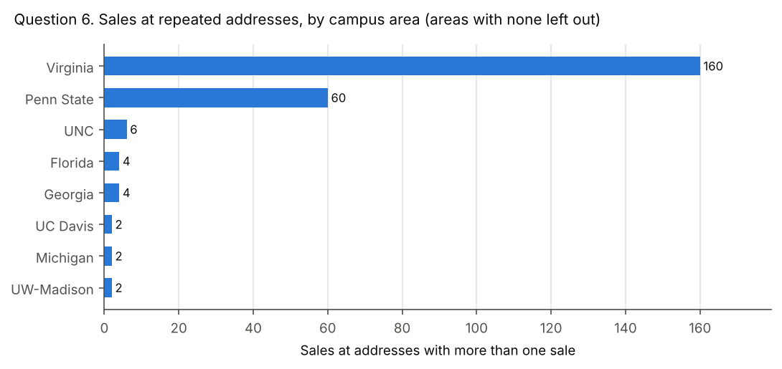
Question 6. Buildings
Group sales by street address, city, state and ZIP code. In each campus area, how many addresses have more than one sale, and how many sales do they cover? How does the median miles_to_campus of those sales compare with that of all other sales?

Figures
Addresses with more than one sale
Campus area | Addresses | Sales at those addresses | Median miles, those sales | Median miles, all other sales
University of Virginia | 80 | 160 | 6.7 | 3.3
The Pennsylvania State University | 13 | 60 | 0.5 | 2.2
The University of North Carolina at Chapel Hill | 3 | 6 | fewer than 20 sales | 3.8
University of Florida | 2 | 4 | fewer than 20 sales | 4.4
University of Georgia | 2 | 4 | fewer than 20 sales | 3.7
University of California, Davis | 1 | 2 | fewer than 20 sales | 2
University of Michigan | 1 | 2 | fewer than 20 sales | 2.7
University of Wisconsin-Madison | 1 | 2 | fewer than 20 sales | 4.8
Purdue University | 0 | 0 | no sales | 3.8
The University of Iowa | 0 | 0 | no sales | 2.2
University of Illinois Urbana-Champaign | 0 | 0 | no sales | 2.8
All campus areas | 103 | 240 | 4.1 | 3.4

Model answer
In all, 103 addresses have more than one sale, covering 240 sales. They are concentrated in two areas: Virginia (80 addresses, 160 sales) and Penn State (13 addresses, 60 sales). Purdue, Iowa and Illinois have none, and every other area has 3 or fewer such addresses.
Across all areas, those sales sit a median 4.1 miles from campus, against 3.4 for all other sales. That overall figure mixes two opposite patterns. Around Penn State, the repeated addresses are close to campus (0.5 miles against 2.2). Around Virginia, they are farther out (6.7 against 3.3). The other areas have fewer than 20 such sales.
Instructor note: what the repeated addresses are. The description sheet calls all 240 rows separate condo or apartment units. That holds in State College. But 87 of the 103 addresses (174 rows) meet the build notes' own test for one sale recorded twice: two rows, prices within 1% and sale dates within 90 days. Of these, 79 are in Virginia, and 78 of those are homes built in 2023 or later. In 79 of the 87 pairs, one row carries the listing dates and the other carries the county's parcel number and assessed value, so the build's parcel check missed them. Their coordinates differ too, which is why Virginia's repeated-address sales look far from campus. Do not mark down a student who spots this and explains it. The figures above follow the question's definition, which counts every row.

Common wrong answers
Grouped by street name only, or duplicates removed first. Grouping by street name alone merges same-named streets in different towns. Removing duplicate addresses first leaves nothing to count. Counting only the extra sales (sales minus addresses) understates the total.
Totals under each method
Method | Addresses | Sales | Median miles of those sales
correct | 103 | 240 | 4.1
grouped by street name only | 139 | 312 | 4.1
after removing duplicate addresses | 0 | 0 | none
extra sales only | 103 | 137 | 4.1

Tolerance
Counts: exact. 103 addresses and 240 sales in total, and each area's counts as in the table. For areas with fewer than 20 such sales, showing the count or "fewer than 20 sales" are both correct.
Median miles: within 0.05 miles. In areas with fewer than 20 such sales, the median must show "fewer than 20 sales".
Full credit needs the overall comparison and the observation that it differs by area.

